Sheet1
S.NO | YEAR | AUTHOR NAME | TITLE OF PROJECT | ABSTRACT | DESIGN METHADALOGY | EVALUATION | ADVANTAGES | DISADVANTAGES
1 | 2018 | Manlio Bacco∗, Andrea Berton†, Erina Ferro∗, Claudio Gennaro∗, Alberto Gotta∗, Stefania Matteoli‡, Fabio Paonessa‡, Massimiliano Ruggeri§, Giuseppe Virone‡, Alberto Zanella | Smart Farming: Opportunities, Challenges and Technology Enablers | —Agriculture is taking advantage of the Internet of Things paradigm and of the use of autonomous vehicles. The 21st century farm will be run by interconnected vehicles: an enormous potential can be provided by the integration of different technologiestoachieveautomatedoperationsrequiringminimum supervision. This work surveys the most relevant use cases in this ﬁeld and the available communication technologies, highlighting how connectivity requirements can be met with already available technologies or upcoming standards. Intelligence is considered as a further enabler of automated operations, and this work provides examples of its uses. | 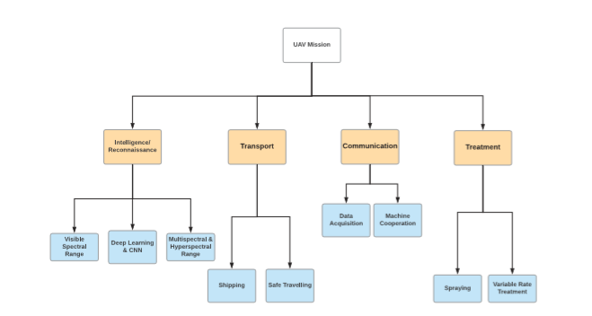 | The abundance of vast amount of data and the ability of analyzing data to make decisions have quickly become part of any sector with the advent of IoT technologies. Agriculture is one of the sectors with smart farming that relies on machine to machine communication to get precise and reliable data. This paper presents the design and implementation of smart farm prototype to further investigate and model the energy, water and food nexus in the future. In this paper, the overall system design, implementation and functionality is explained. The test-bed consists of distributed WSN that monitors different agricultural and environmental parameters. Wireless sensor data transmission and acquisition is managed by IoT gateway router through ZigBee protocol. An algorithm was established based on threshold values of temperature and soil moisture to automated into a programmable micro-controller to control irrigation time. | i)Cost effective method ii)Optimized water used . iii)High quality crop productions. | This can be discouraging factor hindering a lot of promising farmers from adopting it.
2 | 2018 | Yemeserach Mekonnen, Lamar Burton, Arif Sarwat, Shekhar Bhansali Department of Electrical and Computer Engineering, Florida International University, Miami, FL Email: {ymeko001, lburt004, asarwat, Sbhansa}@ﬁu.edu | IoT Sensor Network Approach for Smart Farming: An Application in Food, Energy and Water System | As the global population soars from today’s 7.3 billion to an estimated 10 billion by 2050, the demand for Food, Energy and Water (FEW) is expected to more than double. Such an increase in population and consequently, in the demand for FEW resources will undoubtedly be a great challenge for humankind. A challenge that will be exacerbated by the need for humankind to meet the greater demand for resources with a smaller ecological footprint. This paper is proposing a system developed to optimize the use of water, energy, fertilizers for agricultural crops as a solution to this great challenge. It is an automated smart irrigation system that uses real time data from wireless sensor networks to schedule an irrigation. The test-bed consists of a wireless network monitoring soil moisture, temperature, solar radiation, humidity, and fertilizer sensors embedded in the root area of the crops and around the test-bed. Wireless sensor data transmission and acquisition is managed by an Access Point (AP) using ZigBee protocol. An algorithm was established based on threshold values of temperature and soil moisture automated into a programmable micro-controller to controlirrigationtime.Thesystem’senergydemandiscompletely supplied by a solar Photo-voltaic (PV) panel supplemented with an energy storage unit. The experimental data obtained from this prototype will be modeled and optimized to investigate food productionproﬁleasafunctionofenergyandwaterconsumption. It will also attempt to understand the effect of extreme weather conditionsonfoodproduction.Thisholisticapproachwillexplore the nexus between water and energy resources, and crop yield for several essential crops in an attempt to design a more sustainable method to meet the forecasted surge in demand. | 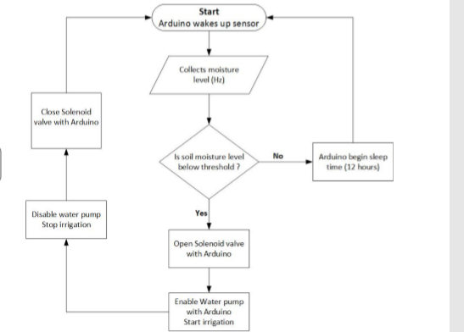 | The abundance of vast amount of data and the ability of analyzing data to make decisions have quickly become part of any sector with the advent of IoT technologies. Agriculture is one of the sectors with smart farming that relies on machine to machine communication to get precise and reliable data. This paper presents the design and implementation of smart farm prototype to further investigate and model the energy, water and food nexus in the future. In this paper, the overall system design, implementation and functionality is explained. The test-bed consists of distributed WSN that monitors different agricultural and environmental parameters. Wireless sensor data transmission and acquisition is managed by IoT gateway router through ZigBee protocol. An algorithm was established based on threshold values of temperature and soil moisture to automated into a programmable micro-controller to control irrigation time. | i)Cost effective method ii)Optimized water used . iii)High quality crop productions. | instead of the peace meal approach. WSU are equipped with different type of sensor with the capability of measurement acquisition and synchronization of data
3 | 2019-2020 | Vrushali Tamhane1, Pratiksha Nigade2, Manali Nigade3, Sushmita Kalbhor4, Prof. Sachin S. Shinde5 | AN IOT BASED SMART AGRICULTURE SYSTEM | 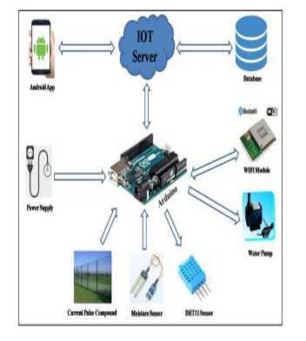 Internet of Things (IoT) performs a key position in smart agriculture. Smart farming is an rising concept, because IOT sensors able to supplying statistics approximately their agriculture fields. The project aims making use of evolving technology i.e. IOT and smart agriculture using automation. The proposed framework causes Farmer to enhance quality and amount of their farm yield by detecting surrounding temperature and moistness esteems, soil dampness esteem and water level of the tank from the field with no human intercession. By utilizing the idea of IOT framework can be more effective. On the other hand we will use a smart system which close and open green paper according to changes in temperature to protect plants from high temperature. |  | System will avoids over irrigation, under irrigation, top soil erosion and reduce the wastage of water. The main advantage is that the systems action will be change according to the situation (crops, weather conditions, soil etc.). By implementing this system, agricultural, horticultural lands, parks, gardens, golf courses will be irrigated. Thus, this work is less expensive and efficient when in comparison to different form of automation device. | i)Reducing the risk of electric shocks, deaths due to poisonous creatures in the fields. ii) Visual display using LCD display unit. iii) Watering depends on the moisture level present in the field. iv) All the farm parameters can view through online in graphical notation. v)Efficient and low cost design. vi vi) User friendly. | In places where internet connections are frustratingly slow,smart will be an impossibility
4 | 2020 | Andreas Kamilaris∗, Feng Gao†, Francesc X. Prenafeta-Bold´ ∗ and Muhammad Intizar Ali† | Agri-IoT: A Semantic Framework for Internet of Things-enabled Smart Farming Applications | With the recent advancement of the Internet of Things (IoT), it is now possible to process a large number of sensor data streams using different large-scale IoT platforms. These IoT frameworks are used to collect, process and analyse data streams in real-time and facilitate provision of smart solutions designedtoprovidedecisionsupport.ExistingIoT-basedsolutions are mainly domain-dependent, providing stream processing and analytics focusing on speciﬁc areas (smart cities, healthcare etc.). In the context of agri-food industry, a variety of external parameters belonging to different domains (e.g. weather conditions, regulations etc.) have a major inﬂuence over the food supply chain, while ﬂexible and adaptive IoT frameworks, essential to truly realize the concept of smart farming, are currently inexistent. In this paper, we propose Agri-IoT, a semantic framework for IoTbased smart farming applications, which supports reasoning over various heterogeneous sensor data streams in real-time. AgriIoT can integrate multiple cross-domain data streams, providing a complete semantic processing pipeline, offering a common framework for smart farming applications. Agri-IoT supports large-scale data analytics and event detection, ensuring seamless interoperability among sensors, services, processes, operations, farmers and other relevant actors, including online information sources and linked open datasets and streams available on the Web. | 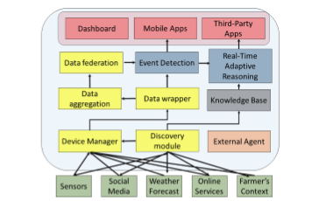 | In this paper, we have described Agri-IoT, an IoT-based framework applying real-time stream processing, analysis and reasoning in the domain of agriculture, based on semantic web technologies, facilitating more informed and accurate decision making by farmers and event detection. We have investigated the introduction of IoT in smart farming and its opportunities, through the seamless combination of heterogeneous technologies, as well as the semantic integration of information from various sources (sensors, social media, connected farms, governmental alerts, regulations etc.), ensuring increase of production and productivity, better products’ quality, protection of the environment, less use of resources (e.g. water, fertilizers), faster reaction to unpredictable events and more transparency to the consumer. Agri-IoT achieves this by offering interoperability between sensors, processes, data streams, farms as entities and web-based services, exploiting open data, making use of semantic technologies and linked web data. Our evaluation efforts focusing on two realistic and demanding farming scenarios indicate the good performance of the proposed framework in medium-to-large farms, while our discussion reveals the large opportunities arising in farming by introducing open standards and semantics based on IoT. | Minimize the human work and effort .save time and effort.Good for personl safety and security. | Increased privacy concerns .Higly dependent on the internet.complex systems for maintenance.
5 | 2021 | CH Nishanthi1, Dekonda Naveen2, Chiramdasu Sai Ram3, Kommineni Divya4, Rachuri Ajay Kumar5 | Smart Farming Using IOT | - The agriculture industry is developed a lot with the help of technology; it became data-centered and smarter. The rapid growth of the Internet of Things based technologies reshaped many industries, including agriculture. Such a radical change dismantles existing farming practices and creates new opportunities along with some challenges. The IoT systems contributed in many fields and proven. It is time for farmers need to introduce the Smart Agricultural systems for higher crop yield. With a compilation of data from sensors and modern electronic gadgets, the farmer can monitor agricultural fields. Smart Agriculture can forecast weather data, switching ON the pump motor and switch ON the bulb for artificial light due to less light intensity, for farms acknowledging the dampness of soil of moisture levels. The IR sensor detects the pest and humans by their temperature; the sensors are interfaced to process module Arduino-UNO. The Smart agriculture system can be operated from anywhere with the help of networking technology. | 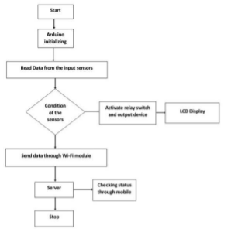 | By using IoT, we can increase the crop yield in agriculture farms. With this IoT platform, we can monitor the weather conditions like Humidity and Temperature. We can also change the essentials required to the farm; the dampness and dryness of the soil can be observed through this. Using an IR sensor, we can detect the pest and humans by their movement in the field. The availability of sensors and microcontrollers interfaced with each other with the help of IoT and wireless communication between the sensors. This can reduce the challenges of the farmer which are faced by the weather. So, farmers can monitor the conditions of the farm through mobile or computers. These systems offer excellent crop yielding and produce better output results. Use these systems to increase the excellent crop yield in agricultural production in India. IOT capable of controlling the condition of the yield and growth. It can also reduce the labour work on the farm | i)smart farming is highly efficient when compard to conventional approach. ii)it is cost effective. iii)production of thecost wil be increaced. | i)continouslly requires internet connectivity. ii)Iot related equipment allows former to understand the use of technology and to learn

Smart Farming Using IOT

